Chapter 2, PB 1-3
PB1. LO 2.1 Hicks Products produces and sells patio furniture through a national dealership network. They purchase raw materials from a variety of suppliers and all manufacturing, and assembly work is performed at their plant outside of Cleveland, Ohio. They recorded these costs for the year ending December 31, 2017. Construct an income statement for Hicks Products, to reflect their net income for 2017.
 | Hicks Products
 | Income Statement
 | For the Year Ended December 31, 2017
 | Description | Debit | Credit
 | Revenues:
 | Sales Revenue |  | $3,100,000.00
 | TOTAL REVENUES |  | 3,100,000.00

 | Cost of Goods Sold | $1,700,000.00
 | GROSS PROFIT |  | 1,400,000.00

 | Expenses:
 | Advertising and Marketing Expense | 625,000.00
 | Administrative Salaries | 136,000.00
 | Rent on corporate headquarters | 65,000.00
 | Depriciation- Office Equipment | 90,000.00
 | TOTAL EXPENSES |  | (916,000)

 | Net Income |  | $484,000.00

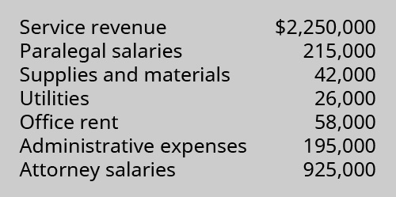
PB2. LO 2.1 Conner & Scheer, Attorneys at Law, provide a wide range of legal services for their clients. They employ several paralegal and administrative support staff in order to provide high-quality legal services at competitive prices. For the year ending December 31, 2017, the firm reported these income and expenses. Using this information, construct an income statement to reflect the firm’s net income for 2017.
 | Conner & Scheer, Attorneys at Law
 | Income Statement
 | For the Year Ended December 31, 2017
 | Description | Debit | Credit
 | Revenues:
 | Service Revenue |  | $2,250,000.00
 | TOTAL REVENUES |  | 2,250,000.00

 | Expenses:
 | Paralegal Salaries | $215,000.00
 | Attorney Salaries | 925,000.00
 | Supplies and Material | 42,000.00
 | Utilities | 26,000.00
 | Office Rent | 58,000.00
 | Administrative Expenses | 195,000.00
 | TOTAL EXPENSES |  | (1,461,000)

 | Net Income |  | $789,000.00

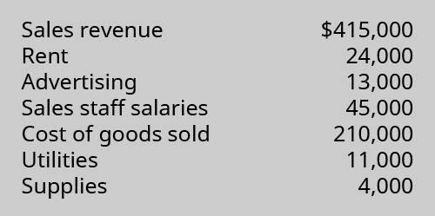
PB3. LO 2.1 Puzzles, Pranks & Games is a retail business selling children’s toys and games as well as a wide selection of jigsaw puzzles and accessories. They purchase their inventory from local and national wholesale suppliers. For the year ending December 31, 2017, they reported these revenues and expenses. Using this information, prepare an income statement for Puzzles, Pranks & Games for 2017.
 |  | Puzzles, Pranks & Games
 |  | Income Statement
 |  | for the year ending December 31, 2017
 | Description | Debit | Credit
 | Revenues:
 | Sales Revenue |  | $415,000.00
 | TOTAL REVENUES |  | 415,000.00

 | Cost of Goods Sold | $210,000.00
 | GROSS PROFIT |  | 205,000.00

 | Expenses:
 | Sales staff salaries | 45,000.00
 | Rent | 24,000.00
 | Advertising | 13,000.00
 | Utilities | 11,000.00
 | Supplies | 4,000.00
 | TOTAL EXPENSES |  | (97,000.00)

 | Net Income |  | $108,000.00

Chapter 2, PA 4 & 5
 | PA 4. LO 2.2Listed as follows are various costs found in businesses. Classify each cost as a fixed or variable cost, and as a product and/or period cost.
 |  | Fixed | Variable | Product | Period
A | Wages of administrative staff | Yes |  |  | Yes
B | Shipping costs on merchandise sold |  | Yes |  | Yes
C | Wages of workers assembling computers |  | Yes | Yes
D | Cost of lease on factory equipment | Yes |  | Yes
E | Insurance on factory | Yes |  | Yes
F | Direct materials used in production of lamps |  | Yes | Yes
G | Supervisor salary, factory | Yes |  | Yes
H | Advertising costs | Yes |  |  | Yes
I | Property taxes, factory | Yes |  | Yes
J | Health insurance cost for company executives | Yes |  |  | Yes
K | Rent on factory | Yes |  | Yes

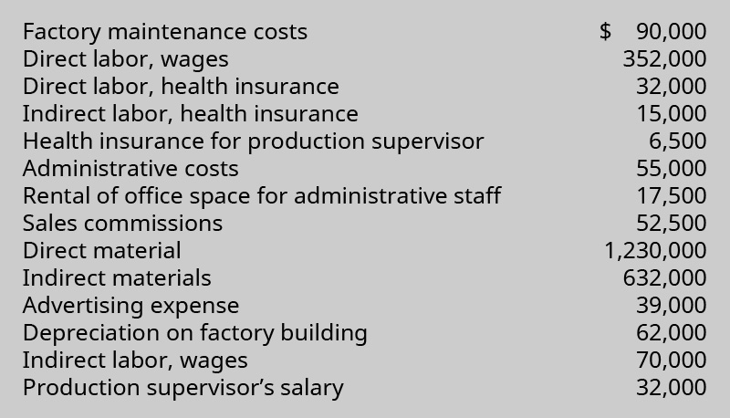
 | PA 5. LO 2.2 Wachowski Company reported these cost data for the year 2017.
 |  |  |  | Use the data to complete the following table.
 |  |  |  | Total prime costs
 |  |  |  | Direct Material | $1,230,000.00
 |  |  |  | Direct Labor- wages | $352,000.00
 |  |  |  | Direct Labor- health insurance | $32,000.00
 |  |  |  | Total Prime Costs | $1,614,000.00

 |  |  |  | Total manufacturing overhead costs
 |  |  |  | Factory maintenance | $90,000.00
 |  |  |  | Indirect labor- Health Insurance | $15,000.00
 |  |  |  | Health insurance for production supervisor | $6,500.00
 |  |  |  | Indirect materials` | $632,000.00
 |  |  |  | Production supervisor salary | $32,000.00
 |  |  |  | Depriciation on factory building | $62,000.00
 |  |  |  | Indirect labor- wages | $70,000.00
 |  |  |  | Total manufacturing overhead costs | $907,500.00

 | Total product costs |  |  | Total conversion costs
 | Total prime costs | $1,614,000.00 |  | Direct Labor | $384,000.00
 | Total manufacturing overhead costs | $907,500.00 |  | Manufacturing overhead costs | $907,500.00
 | Total product costs | $2,521,500.00 |  | Total conversion costs | $1,291,500.00

 | Total period costs
 | Administrative Costs | $55,000.00
 | Rental of office space for administrative staff | $17,500.00
 | Sales commision | $52,500.00
 | Advertising expense | $39,000.00
 | Total period costs | $164,000.00

Ch4,PA2,4-6 (Job Order Costing)
PA 2. LO 4.4 York Company is a machine shop that estimated overhead will be $50,000, consisting of 5,000 hours of direct labor. The cost to make Job 0325 is $70 in aluminum and two hours of labor at $20 per hour. During the month, York incurs $50 in indirect material cost, $150 in administrative labor, $300 in utilities, and $250 in depreciation expense.
A | What is the predetermined overhead rate if direct labor hours are considered the cost driver?
B | What is the cost of Job 0325?
C | What is the overhead incurred during the month?

 | A | Overhead rate = Estimated overhead cost Estimated labor hour = 50,000 / 5,000 = $10 per hour

 | B | For Job 0325:
 |  | Material cost (aluminium) = $70
 |  | Direct labor= Direct labor rate per hour * hours required = 20 *2 = $40
 |  | Overhead=Overhead rate *hours required = 10* 2 = $20
 |  | Total Cost for Job 0325 = |  | 70+40+20 | $130.00

 | C | Overhead incurred during the month = Indirect material + Administrative labor + utilities + depreciation
 |  | 50 + 150 + 300 + 250 |  | $750.00

PA 4. LO 4.5 Job cost sheets show the following information:

What are the balances in the work in process inventory, finished goods inventory, and cost of goods sold for January, February, and March?

 |  | Job | Month and Amount
 |  |  | January
 |  | Job AA4 is completed in January
 |  | So it is finished goods. | $4,838.00

 |  | Job AA2 is still in work in process in January
 |  | So it is work in process. | $2,500.00

 |  | Nothing is sold in January.
 |  | So cost of goods sold is zero.
 |  |  | February
 |  | Job AA2 and AA5 is completed in February
 |  | So these are finished goods.
 |  | Job AA2- January cost | $2,500.00
 |  | Job AA2- February cost | $1,200.00
 |  | Job AA5- February cost | $3,250.00
 |  | Total finished goods | $6,950.00

 |  | Job AA3 is still in work in process in February
 |  | So it is work in process. | $3,409.00

 |  | Job AA4 is sold in February
 |  | So it is cost of goods sold. | $4,838.00

 |  |  | March
 |  | Job AA2 is not yet sold.
 |  | So it is finished goods.
 |  | Job AA2- January cost | $2,500.00

 |  | Job AA2- February cost | $1,200.00
 |  | Total finished goods | $3,700.00

 |  | Job AA3 is still in work in process in March
 |  | So it is work in process.
 |  | Job AA3- February cost | $3,409.00
 |  | Job AA3- March cost | $2,319.00
 |  | Total work in process in March | $5,728.00

 |  | Job AA5 is sold in March
 |  | So it is cost of goods sold. | $3,250.00

PA 5. LO 4.5 Complete the information in the cost computations shown here:

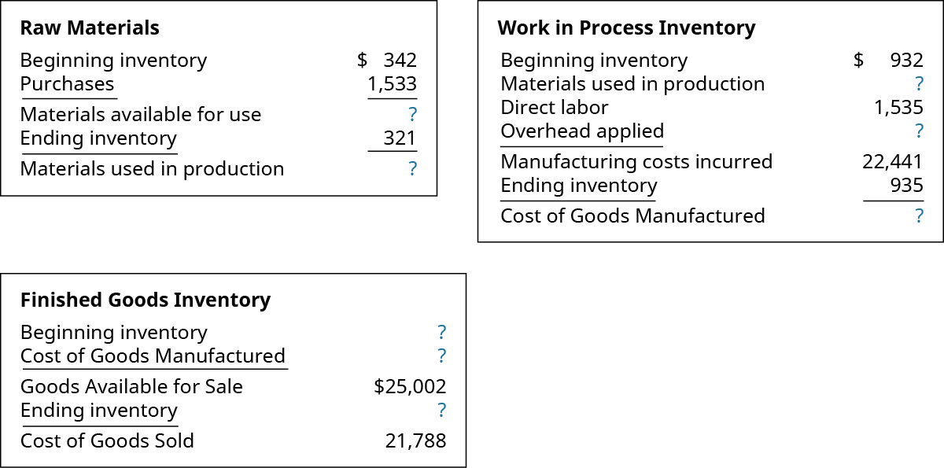

 |  | Raw Materials
 |  | Beginning inventory | 342
 |  | Purchases | 1,533
 |  | Materials available for use | 1,875
 |  | Ending inventory | 321
 |  | Materials used in production | 1,554

 |  | Work in Process Inventory
 |  | Beginning inventory | 932
 |  | Materials used in production | 1,554
 |  | Direct labor | 1,535
 |  | Overhead applied | 18,420
 |  | Manufacturing cost incurred | 22,441
 |  | Ending inventory | 935
 |  | Cost of goods manufactured | 21,506

 |  | Finished Goods Inventory
 |  | Beginning inventory | 3,496
 |  | Cost of goods manufactured | 21,506
 |  | Goods available for sale | 25,002
 |  | Ending inventory | 3,214
 |  | Cost of goods sold | 21,788

PA 6. LO 4.5 During the year, a company purchased raw materials of $77,321, and incurred direct labor costs of $125,900.
Overhead is applied at the rate of 75% of the direct labor cost. These are the inventory balances:

Compute the cost of materials used in production, the cost of goods manufactured, and the cost of goods sold.

 |  | Raw Materials
 |  | Beginning inventory | $17,433.00
 |  | Purchases | $77,321.00
 |  | Material available for use | $94,754.00
 |  | Ending inventory | $16,428.00
 |  | Materials used in production | $94,754.00

 |  | Work in Process Inventory
 |  | Beginning inventory | $241,439.00
 |  | Materials used in production | $94,754.00
 |  | Direct labor | $125,900.00
 |  | Overhead applied | $94,425.00
 |  | Manufacturing costs incurred | $298,651.00
 |  | Ending inventory | $234,423.00
 |  | Cost of goods manufactured | $305,667.00

 |  | Finished Goods Inventory
 |  | Beginning inventory | $312,842.00
 |  | Cost of goods manufactured | $305,667.00
 |  | Goods available for sale | $618,509.00
 |  | Ending inventory | $342,384.00
 |  | Cost of goods sold | $276,125.00

